16. My Order
Project: |  | Version | 0.1 | Sprint | 2
Team: |  | Reviewed by
Document: | Sitemap | Approved by

 |  |  |  |  |  |  | Click to see shipping
 |  |  |  |  |  |  |  | Click to see completed orders
 |  |  |  |  | Click to see all | Click to see processing |  |  | Click to see canceled orders |  | Click to see return fund of orders

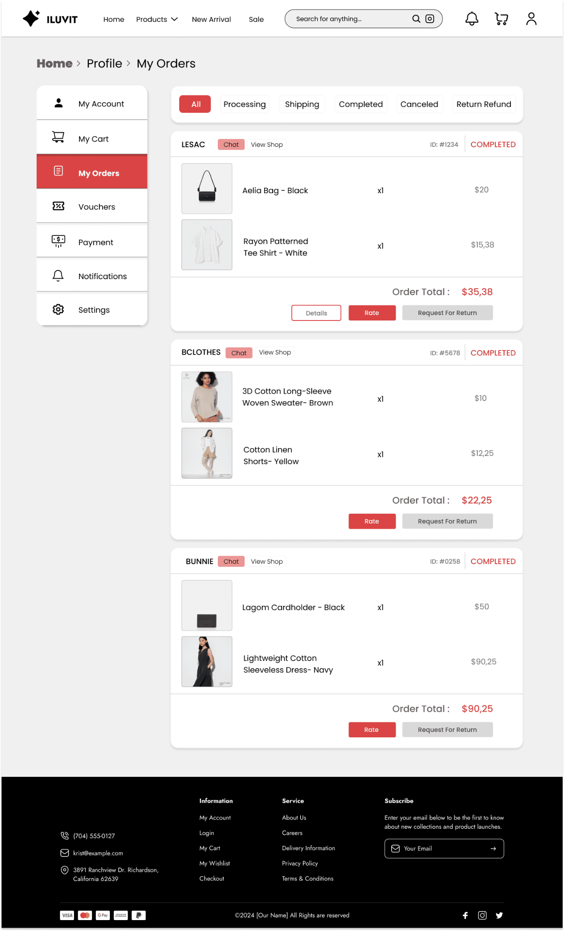

 |  |  |  |  |  |  |  |  |  | Click to rate product

 |  |  |  |  |  |  |  |  |  | Click to request for return

 |  |  |  |  |  |  |  |  |  | Click to see detail order

 |  | Click to see details

18. Setting
Project: |  | Version | 0.1 | Sprint | 2
Team: |  | Reviewed by
Document: | Sitemap | Approved by

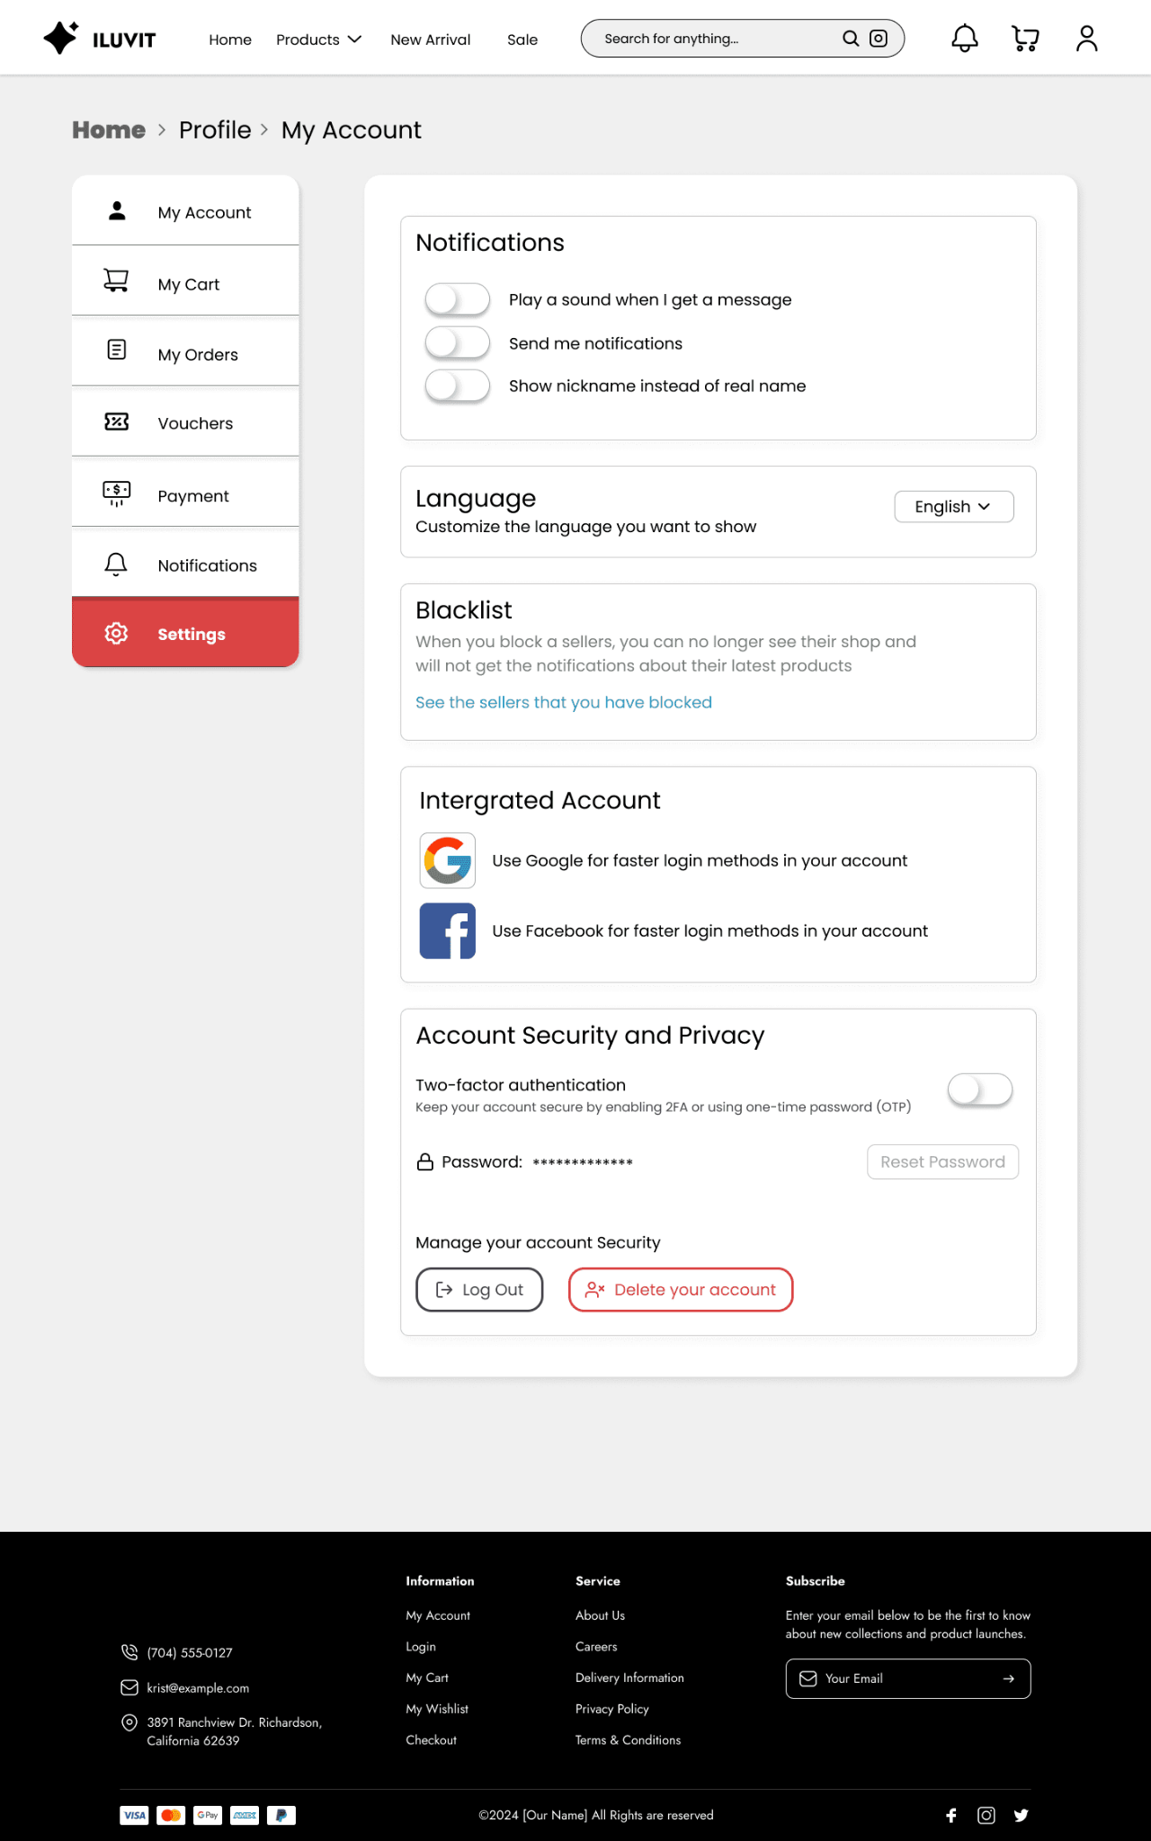

 |  |  |  |  |  | View notifications

 |  |  |  |  |  | Click to choose language

 |  |  |  |  |  | Click to view blacklist

 |  | Click to see blocked sellers
 |  |  |  |  |  | User can intergrate account

 |  |  |  |  |  | Click to turn on the button two-factor authentication

 |  |  |  |  |  | Click to reset password

 |  |  |  |  |  |  | Click to delete user's account

 |  |  | Click to log out

25. Address and Shipping
Project: |  | Version | 0.1 | Sprint | 2
Team: |  | Reviewed by
Document: | Sitemap | Approved by

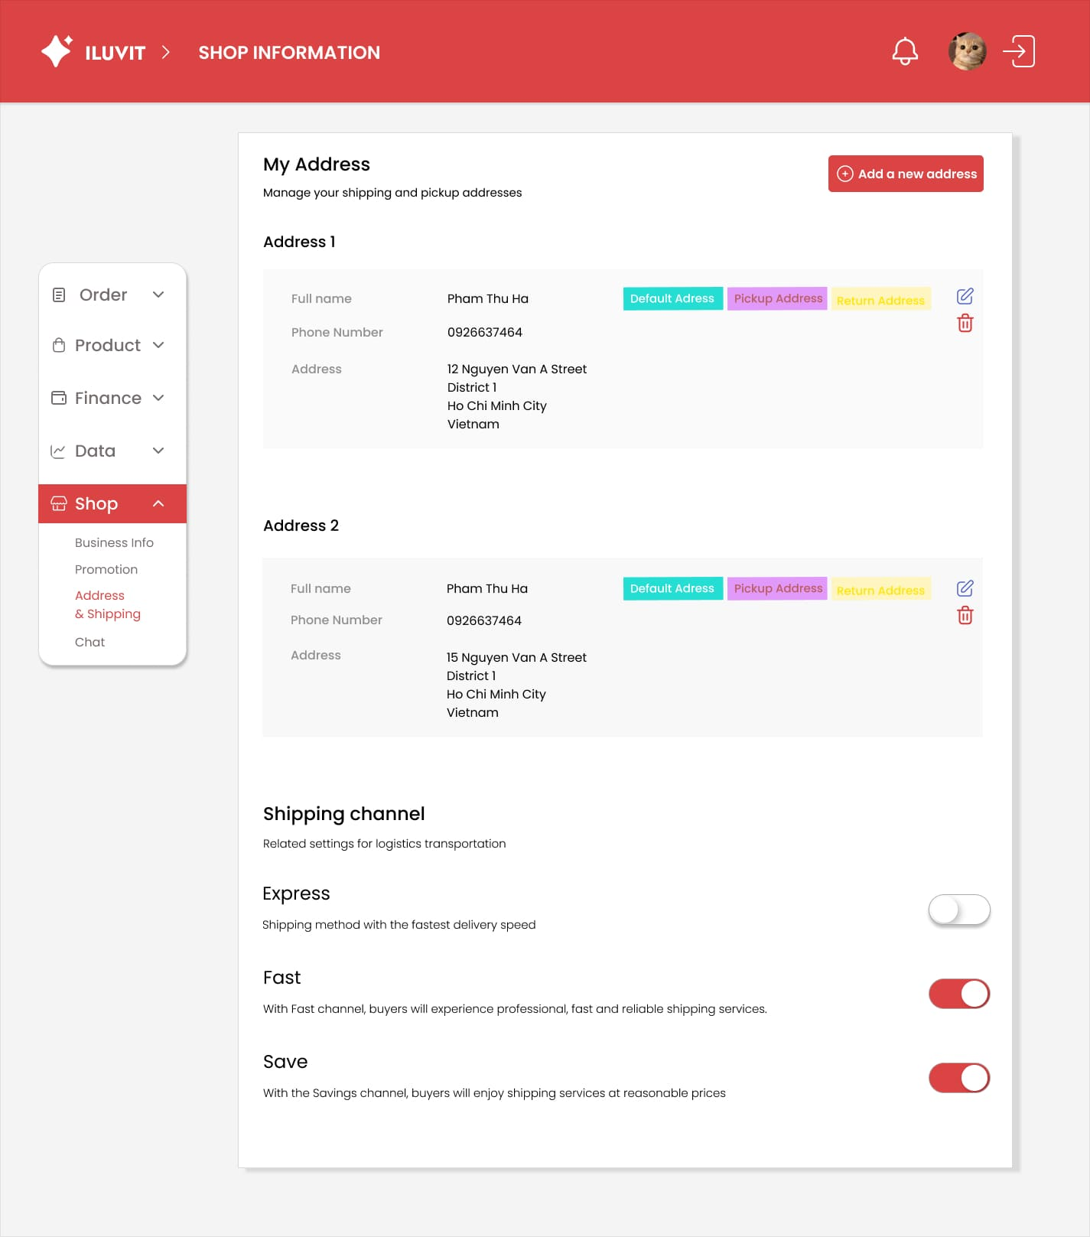
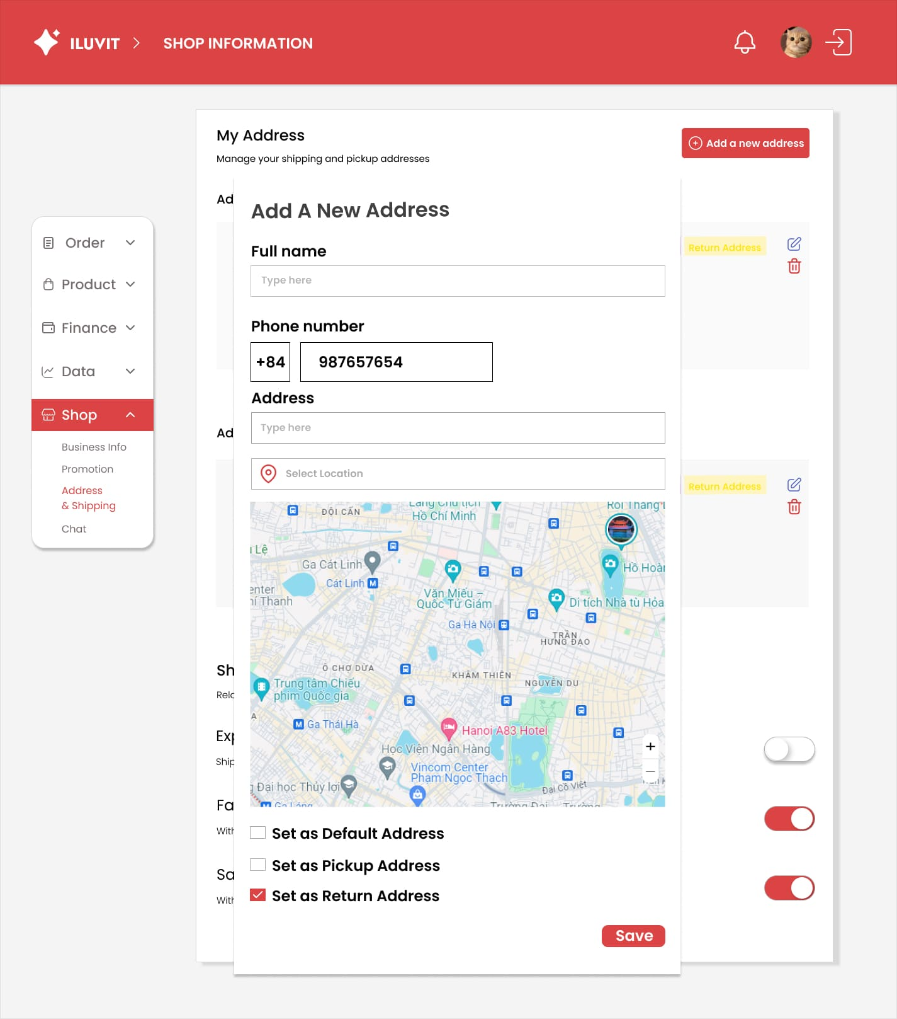
 |  |  |  |  |  | Click "Add a new address" to display add product popup

 |  |  |  |  |  |  |  | Click on the box to type full name
 |  |  |  |  |  | Edit icon is to edit address
 |  |  |  |  |  |  |  | Click the box to enter phone number
 |  |  |  |  |  | Trash icon is to delete address

 |  |  |  |  |  |  |  | This box to type address

 |  |  |  |  |  |  |  | Location icon is to choose address in map

 |  |  |  |  |  |  | This tick box is to set the address entered above as default address, pickup address or return address

 |  |  |  |  |  | Toggle button is to select shipping channel
 |  |  |  |  |  |  |  | Click the save button will display a notification whether to save the address just entered or not

33. View Notifications
Project: |  | Version | 0.1 | Sprint | 2
Team: |  | Reviewed by
Document: | Sitemap | Approved by

 |  |  |  | Click to see detail notification |  | Click to download report
 |  |  |  |  | Click to choose date

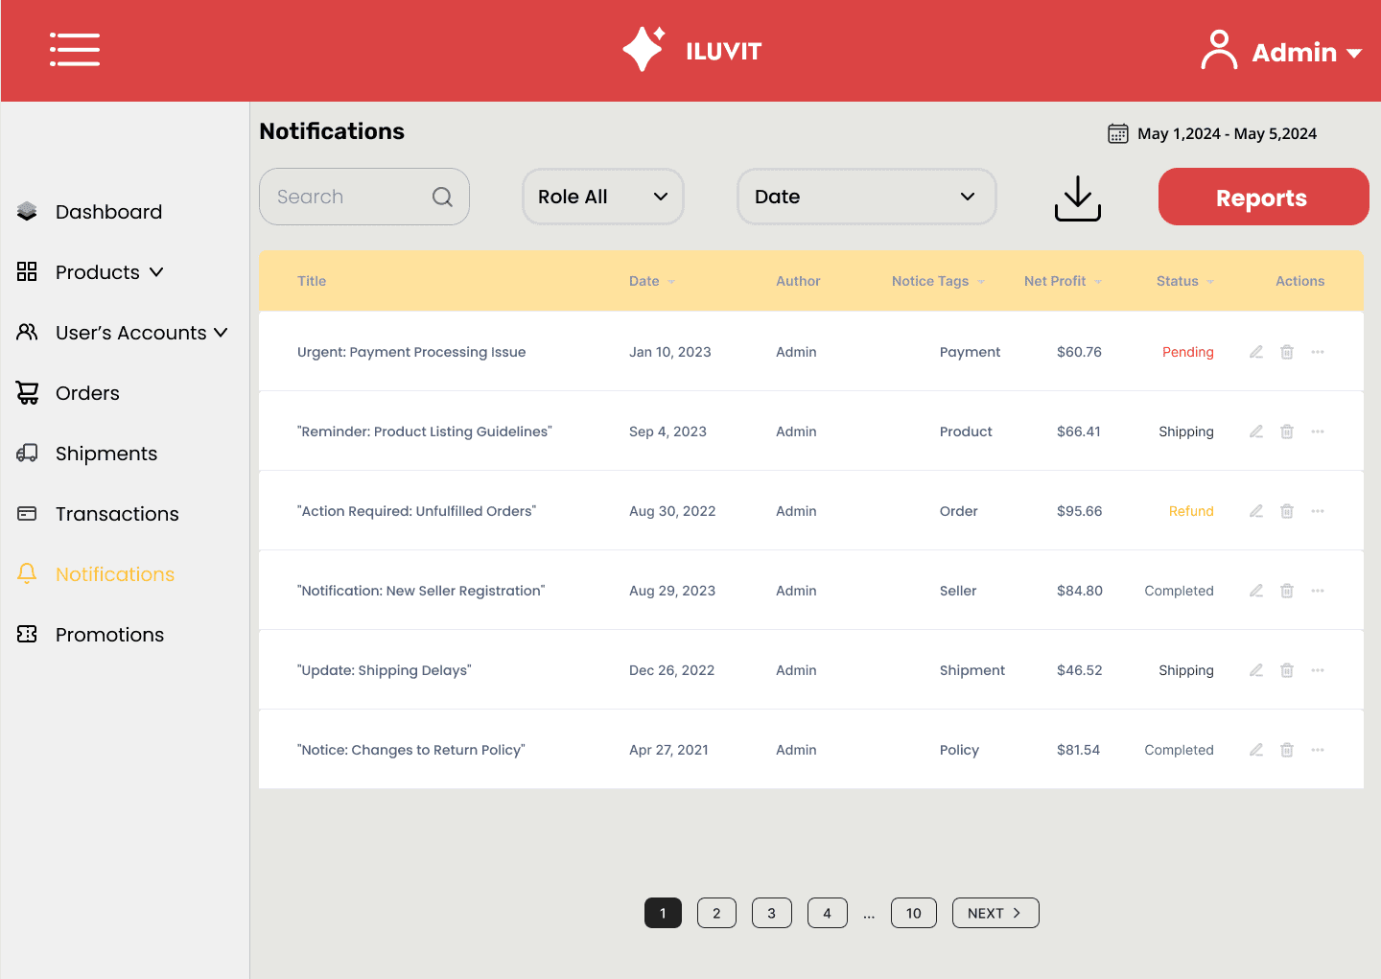

 |  |  |  |  |  |  | Click to report

 |  |  |  |  |  |  |  | Admin can see overview of report information

 |  |  |  |  |  |  | Click here to move to the other page

34. Manage Product(Admin)
Project: |  | Version | 0.1 | Sprint | 2
Team: |  | Reviewed by
Document: | Sitemap | Approved by

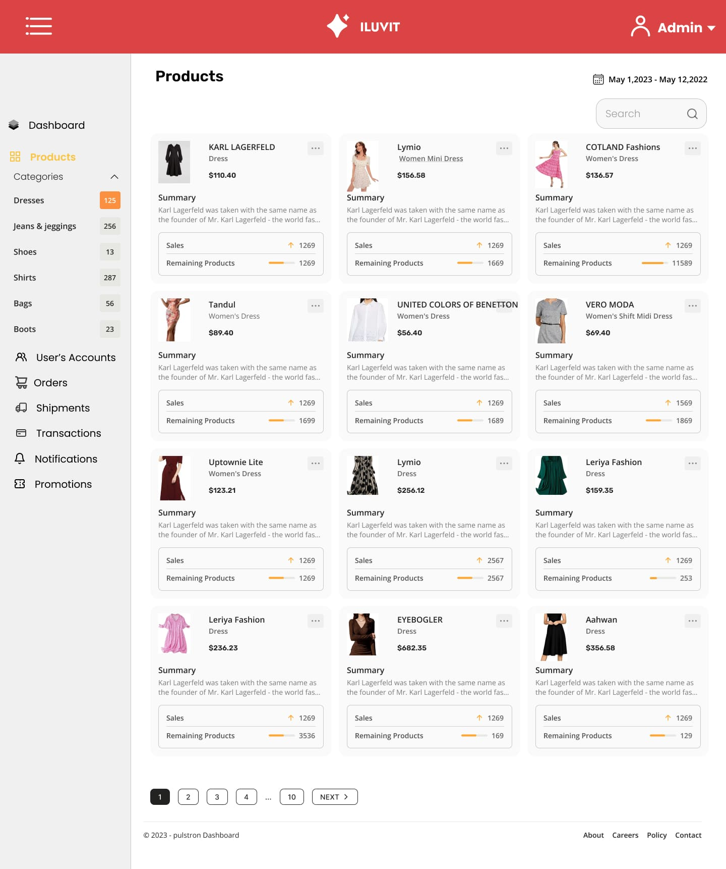

choose this category dresses, this system will only display producted related to dresses and when click 2 times the system will redirect to all products |  |  |  |  |  | This box is to search procduct

 | click Next to redirect the next page

37. Manage Transactions
Project: |  | Version | 0.1 | Sprint | 2
Team: |  | Reviewed by
Document: | Sitemap | Approved by

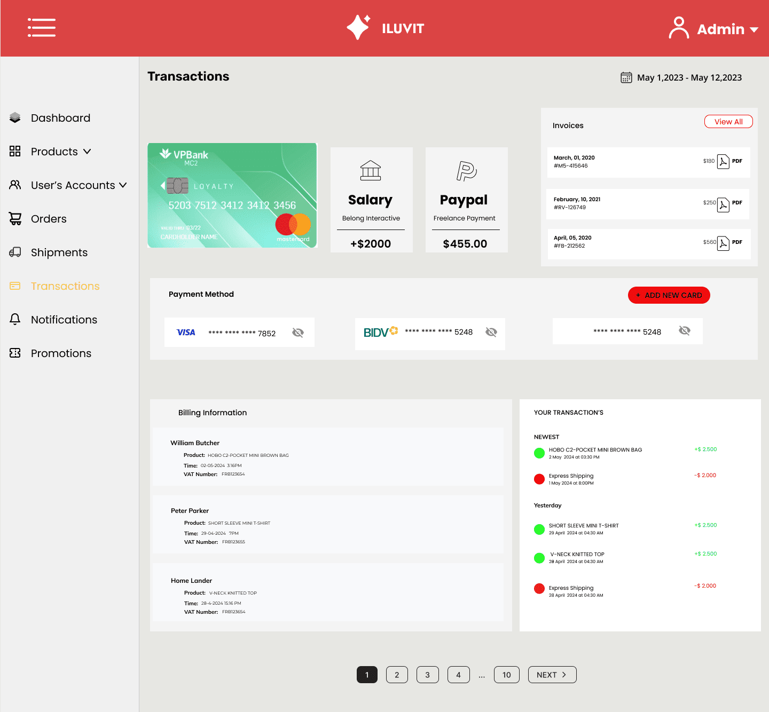
 |  |  |  |  |  | Click to see view all

 |  |  | Go to the transactions

 |  |  |  |  |  | Click to add new card

 |  |  |  |  |  |  | Admin can see transactions

 |  |  | Bank accounts for payments

 |  |  | Admin can see billing information

